Tabelle1
 | Datasheet
 | Self-Cleaning Filters

 | Krone Filter Type:
 | End Customer:
 | Project:

General Data
 | Filter Type
 | Design flow rate | m³/h | Max. pressure drop |  | bar (clean)
 | Flow rate | m³/h | Max. pressure drop |  | bar (dirty)
 | Liquid to be filtered |  | Total suspend. solids |  | mg/l (ppm)
 | Adjust. Flushing time | sec | Operating pressure |  | bar
 | Flushing volume (adj.) | m³/flushing | type of actuator | pneumatic
Mechanical
 | Design pressure | bar | Inlet connection
 | Test pressure |  | Outlet connection
 | Design temperature | °C | Flushing connection

 | Design code
 | Weight | kg | Air connection of BV* |  | mm
 | End cover weight | kg | Filtration grade |  | mm
 | Basket weight | kg
 |  |  | * BV = butterfly valve
Materials
 | Body |  | Disc
 | End cover |  | Basket
 | End cover gasket |  | Flushing valve
 | Coating outside |  | Piston (wetted parts)
 | Coating inside |  | Piston seals
 | Bolts & nuts cover
Instrumentation
 | LCP - voltage | V | Air supply pressure |  | bar
 | Power consumption | kW | dp measurement
 | El. protection class
 | material of cabinet
Dimensions for:
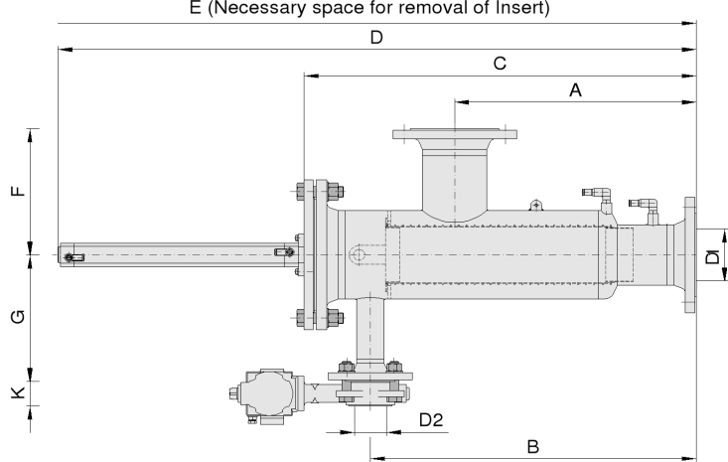
 | A
 | B
 | C
 | D
 | D1
 | D2
 | E
 | F
 | G
 | acc. project drawing:

Remarks:

